Sheet1
a) Report the risk attitudes of both investors and justify your answers.
For Peter, his utility graph is upward sloping and becomes steeper, but slowly, as the amount of money increases. The derivative of Peter's U(x) is 0.006, which means Peter shows risk-seeking behavior. He values each additional unit of money more than the last, which means he prefers riskier investments. For David, his utility graph is downward sloping and becomes flatter rapidly as the amount of money increases. The derivative of David's U(x) is −2/(x+1)^2, which means David shows risk-averse behavior. He values each additional unit of money less than the last, which means he prefers safer investments. |  |  |  | Use the green shaded cell areas to write your answers. The text is allowed to flow over the area.

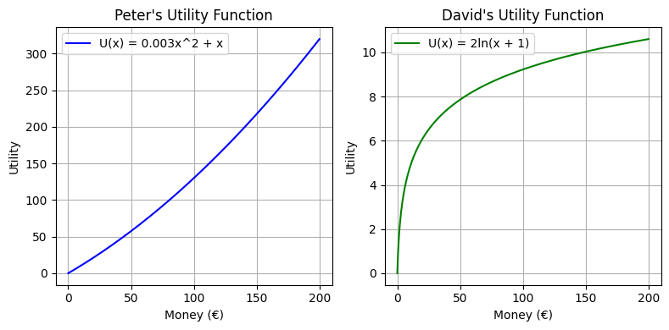

b) | Peter | David
EU[Lot 1]
CE[Lot 1]
RP[Lot 1]
EU[Lot 2]
CE[Lot 2]
RP[Lot 2]
EU[Lot 3]
CE[Lot 3]
RP[Lot 3] |  |  | Risk premia refers to the amount by which the return of a risky asset is expected to outperform the known return on a risk-free asset.

c) | VaR | CVaR
Lot 1
Lot 2
Lot 3

